Parameters
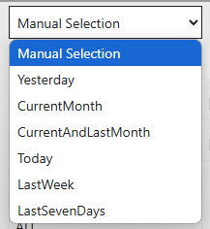
Action Date From
Action Date To
ReportType

